Sheet1
 |  | ALL AFRICAN AIRWAYS 'MEET THE VIKINGS' TOUR TRACKING SHEET
 |  | Please refer to our website for tour guidelines. Once you've completed the tour, please submit this tracking sheet to your hub manager.
 |  | You will find the details of your flight in your Flight Report on the FSAirlines website. Examples are provided for your ease of reference.

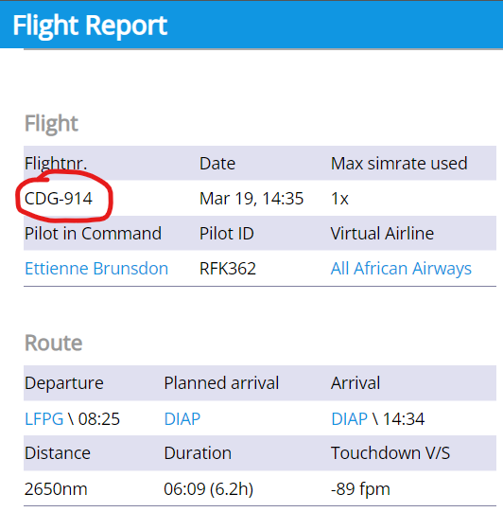
Leg | Departure | Arrival | Dist (nM) | Flight Number (1) | Date (2) | Departure Time (3) | Arrival Time (4) | 1…
1 | Kastrup (EKCH) | Arlada (ESSA) | 295
2 | Arlada (ESSA) | Gardermoen (ENGM) | 209
3 | Gardermoen (ENGM) | Flesland (ENBR) | 175
4 | Flesland (ENBR) | Keflavik (BIKF) | 804
5 | Keflavik (BIKF) | Landvetter (ESGG) | 1073
6 | Landvetter (ESGG) | Vantaa (EFHK) | 422
7 | Vantaa (EFHK) | Pulkovo (ULLI) | 162
8 | Pulkovo (ULLI) | Tromso (ENTC) | 658
9 | Tromso (ENTC) | Kastrup (EKCH) | 861
 |  |  | 4659

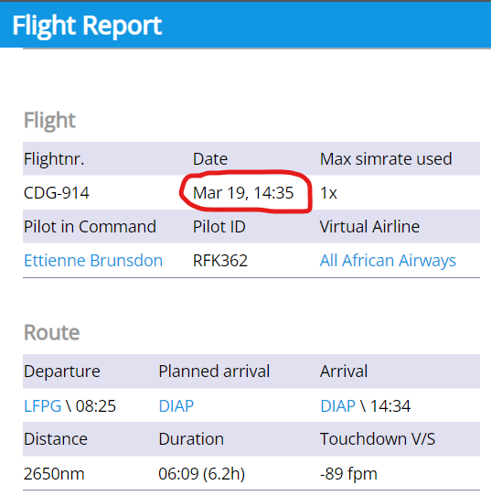
 |  |  |  |  |  |  |  | 2…

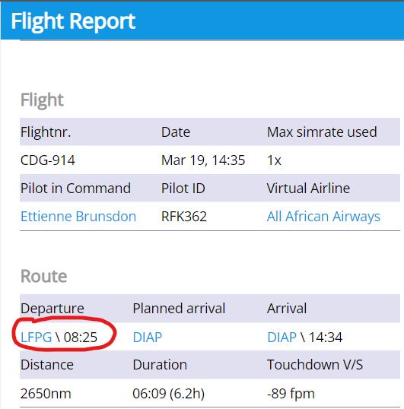
 |  |  |  |  |  |  |  | 3…

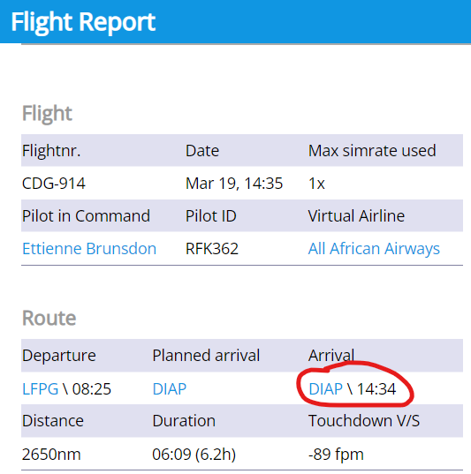
 |  |  |  |  |  |  |  | 4…

