Sheet1
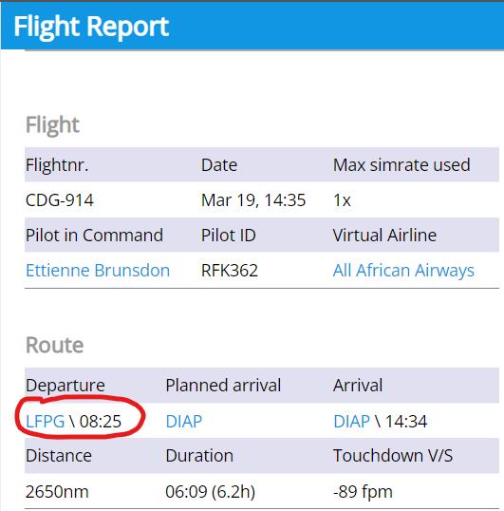
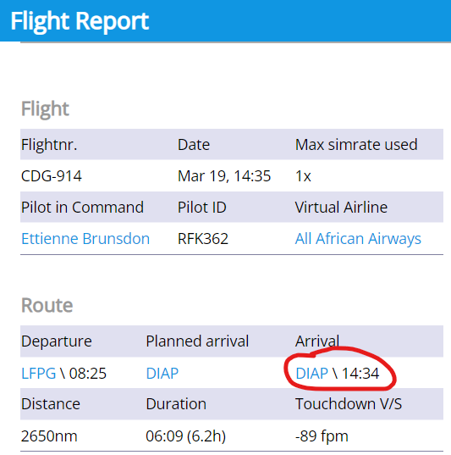
 |  | ALL AFRICAN AIRWAYS CENTRAL AMERICA TOUR TRACKING SHEET

 |  | Please refer to our website for tour guidelines. Once you've completed the tour, please submit this tracking sheet to your hub manager.
 |  | You will find the details of your flight in your Flight Report on the FSAirlines website. Examples are provided for your ease of reference.

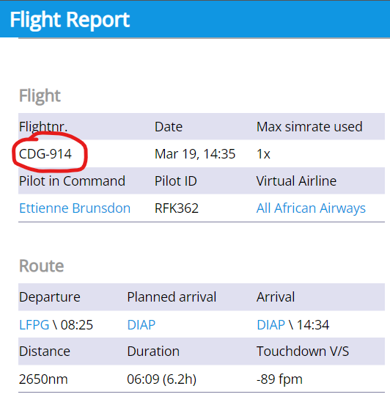
Leg | Departure Capital City | Destination Captial City | Dist (nM) | Flight Number (1) | Date (2) | Departure Time (3) | Arrival Time (4) | 1…
1 | Cancun (MMUN) | Lic Benito Juarez (MMMX) | 694
2 | Lic Benito Juarez (MMMX) | Los Cabos (MMSD) | 636
3 | Los Cabos (MMSD) | Gen Rafael Buelna (MMMZ) | 191
4 | Gen Rafael Buelna (MMMZ) | La Aurora (MGGT) | 1030
5 | La Aurora (MGGT) | El Salvador (MSLP) | 110
6 | El Salvador (MSLP) | La Aurora (MGGT) | 110
7 | La Aurora (MGGT) | Juan Santamaria (MROC) | 462
8 | Juan Santamaria (MROC) | Tocumen (MPTO) | 291
9 | Tocumen (MPTO) | Managua (MNMG) | 441
10 | Managua (MNMG) | Philip S W Goldson (MZBZ) | 347
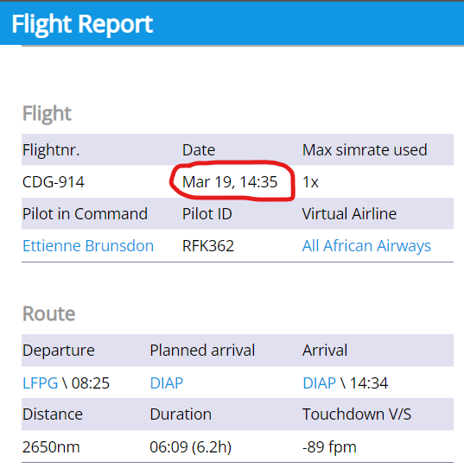
11 | Philip S W Goldson (MZBZ) | El Salvador (MSLP) | 250 |  |  |  |  | 2…
12 | El Salvador (MSLP) | Cancun (MMUN) | 473
 |  |  | 5035

